Question 2.
 | Weigelt Corp

 | Max Capacity / day | Available Storage / day |  |  | Profit Margin by Size | Storage Requirements / unit | Sales Forecast / day
Plant 1 | 750 | 13,000 sq. ft |  | L | 420 | 20 sq. ft | 900
Plant 2 | 900 | 12,000 sq. ft |  | M | 360 | 15 sq. ft | 1,200
Plant 3 | 450 | 5,000 sq. ft |  | S | 300 | 12 sq. ft | 750

Questions:
A. Decision Variables
 |  | X | PS | = | number of units to produce in plant P and size S

 |  | P = 1,2,3 (3 different plants)
 |  | S = 1,2,3 (Size of product: large, medium, small)
B. LP Model
 |  | Max Profit | =

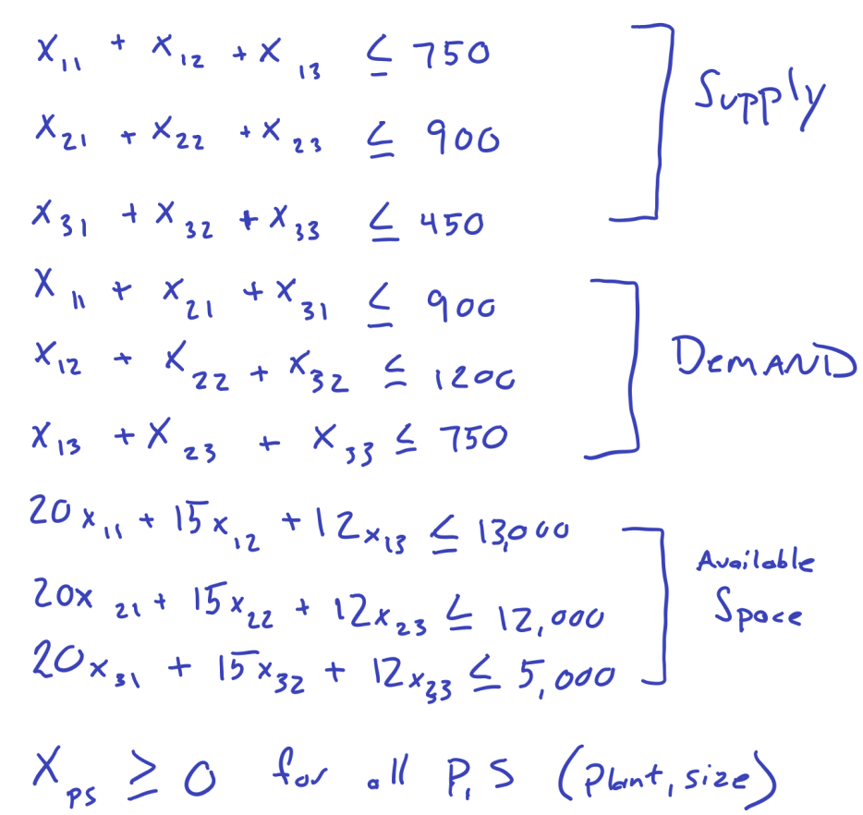
 |  | subject to

